Read Me
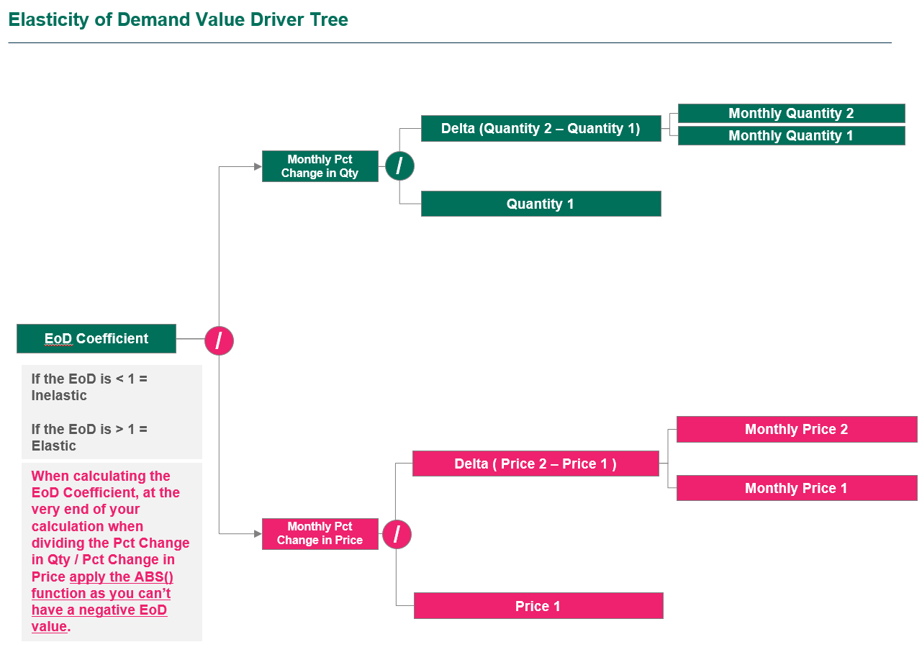
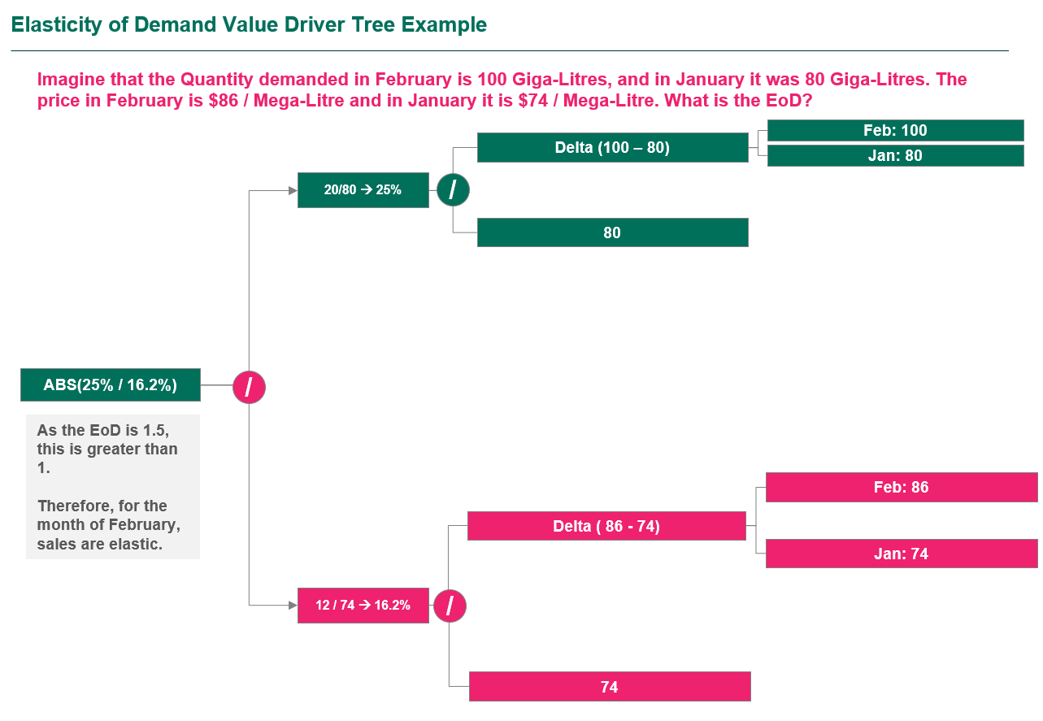
Southern Water Corp. Economic Analysis


In this unit, you've learned about the fundamentals of economics where you've covered supply, demand, and the principles of elasticity.
In this case study, we'll seek to unpack these concepts, combining the economic analysis skills you've learned and have you apply this through your budding Excel capabilities!
This case study will emphasize the use of AVERAGEIFS Formula and your charting capabilities, where you'll use these charts for a PowerPoint presentation you'll create at the end of this analysis!
Good luck and let's get started!

What do the tab colors in this workbook mean?
Throughout the Case Study, we've split this into three sections. As you cover the relevant Economics concepts, you'll apply what you've learned in the exercise tabs. The order of completion is below: 1) Market Elasticity 2) Economic Cost Analysis 3) What-If Analysis
Unpacking the Data Repository Table
The data repository table might look scary at first, but all the data is logically grouped in a manner where the table can be read from left to right.
Note that we've added in another table, the Water Trading Repository Table that shows the date and price at which either Soft or Hard water has been traded.

Definitions
We've included a high-level breakdown that explains the different columns you will deal with in the data repository and water trading repository table. Please read through this and familiarize yourself with what these columns mean.

Account Type | This column provides information on whether the dataset is referencing Financial Actuals (Money Spent) or Water Actuals (Volume of Water Produced).
Value Drivers | This is a pre-filled column mapping each Accounting Centre Code and Accounting Centre Code Element to either a Revenue Generating Activity (Revenues) or Cost Generating Activity (Expenses).
Unit | There are three desalination units or plants (facilities) owned by Southern Water Corp. These are the Kootha, Surjek and Jutik desalination units. The Unit column indicates, for that row of data, which Unit it applies towards.
Month | This represents the month that data was calculated for.
Month (Number) | This represents the month in numerical form.
Accounting Code Centre | Every row is mapped to an Accounting Code Centre. Based on the Accounting Code Centre (ACC) and the textual description, we know that all ACCs that mention Sales, are Profit Centres, and all ACCs that mention Costs, are Cost Centres. In Financial Accounting, Revenue-Generating Activities are mapped to Profit Centres (i.e. They generate profit), whilst Cost-Generating Activities are mapped to Cost Centres (i.e. They generate costs).
Accounting Code Centre Element | An Accounting Code Centre Element (ACCE) is made up of 'elements' which tie into the Accounting Code Centre.
Unit of Measure | Every Row of Data has a Unit of Measure (UoM) associated with this. E.g. Financial data is measured in dollars, whilst Water Production data is measure in Giga-Litres.
Row Data | This is the unique value that is stored for every row entry.
Trading Interval | The time-stamp where Water has been traded on the Open Water Market exchange database.
Market Water Demand (Giga-Litres) | The amount of water demanded by the Market for that respective time-stamp period.
Water Balancing Price ($/ML) | The Water Market Balancing Price that is settled by the Open Water Market exchange.
Month | The month that the Water Transaction belongs to.
Water Type | What type of Water Product is being traded (i.e. Hard Water or Soft Water)?

Value Driver Trees
Below we've included the Value Driver Trees for the Elasticity of Demand Coefficient; a critical calculation used to determine the elasticity (price sensitivity) of a product.

Economic Market Analysis
Economic Analysis - Part I
In this economics unit we've introduced you to the concept of Elasticity and Inelasticity and the relation this has to pricing patterns for products.
While you might not immediately understand the relationship between elasticity and pricing, it's important we take a moment to understand how this is linked.
Say for example, if we suddenly had our Netflix account fees raise to $100 per month - a number of us might reconsider whether we still want this subscription. The insight here is that the product is elastic (i.e. If we increase the price too sharply, people will leave and go to other streaming platforms.)
This is tied to the concept of Elasticity (i.e. When the price is low enough, demand is high. Inversely, when the price is high - demand reduces).
Now, there are situations that even IF the price rises, we will still purchase the same quantity of goods.
Take for example, a particular drug for a pre-existing medical condition. If the price were to rise from its current amount to 10% higher than usual - the amount demanded wouldn't decrease as the product is still required.
When this occurs, the product is known as an INELASTIC PRODUCT. (i.e. Regardless of whether the demand increases or decreases, the price will not change in any substantial manner).
With what you've learned, let's take a look at Southern Water Corps Economic Data and see what trends we can identify from an Elasticity and Inelasticity Perspective. Let's be objective and ask ourselves - what does the data tell us?
Let's get started!
Q1. Please calculate the Average Water Balancing Market Price (WBMP) and Average Quantities of Water Demanded for 1) Hard and Soft Water Combined, 2) Hard Water Only and 3) Soft Water Only across the Jan-14 to Dec-14 Period.
Do you notice any trends when comparing the Price and Quantity Per Product? (Pay particular attention to the Pricing and the Quantities and put this in the yellow box we've highlighted below)
Hard + Soft Water Table | Month # | Jan-14 | Feb-14 | Mar-14 | Apr-14 | May-14 | Jun-14 | Jul-14 | Aug-14 | Sep-14 | Oct-14 | Nov-14 | Dec-14
 | Month # | 1 | 2 | 3 | 4 | 5 | 6 | 7 | 8 | 9 | 10 | 11 | 12
Revenues | Avg. Quantity of Soft + Hard Water | 2298.190 | 2406.092 | 2127.815 | 2185.800 | 2145.784 | 2229.750 | 2283.050 | 2201.059 | 2153.343 | 2098.991 | 2200.929 | 2312.200 | 2220.25
 | Avg. Water Market Balancing Price (WMBP) | $86.39 | $86.83 | $81.50 | $72.57 | $71.26 | $72.16 | $76.60 | $74.93 | $74.07 | $75.09 | $73.70 | $74.38 | $76.62
Hard Water Table | Hard
 | Avg. Quantity of Hard Water | 2391.376 | 2533.269 | 2203.744 | 2349.514 | 2243.585 | 2359.315 | 2443.265 | 2300.849 | 2261.342 | 2188.796 | 2303.437 | 2443.601 | 2335.17
 | Avg. Water Market Balancing Price (WMBP) | 110.48 | 110.63 | 110.56 | 93.18 | 93.41 | 92.85 | 92.81 | 93.15 | 92.99 | 92.82 | 93.03 | 93.23 | $97.43
Soft Water Table | Soft
Soft | Avg. Quantity of Soft Water | 2205.004 | 2278.915 | 2051.885 | 2022.085 | 2047.983 | 2100.184 | 2122.835 | 2101.270 | 2045.344 | 2009.187 | 2098.421 | 2180.799 | 2105.33
 | Avg. Water Market Balancing Price (WMBP) | 62.30 | 63.03 | 52.44 | 51.96 | 49.11 | 51.46 | 60.40 | 56.72 | 55.14 | 57.36 | 54.37 | 55.52 | $55.82
 |  | Why? | Why? | Why? | Whe? | Why? | Why? | Why? | Why? | Why? | Why? | Why? | Why?
 | check (sum revenue/sum water) | 160.25 | 153.19 | 155.75 | 147.21 | 128.94 | 136.30 | 127.02 | 122.20 | 134.02 | 123.67 | 118.24 | 111.86
Place your answer here |  | 1 | 2220.25 | $76.62 | 2 | 2335.17 | $97.43 | 3 | 2105.33 | $55.82

Previously we covered how we could make use of scatter plots to help us visually compare the changes between price and quantity to determine whether a relationship is elastic or inelastic.
Let's create a scatter plot to compare the price / quantity columns for the 3 different permutations of: 1) Hard + Soft Water, 2) Hard Water and 3) Soft Water.
Q2. Using the data you've calculated above in Q1, with the Y-axis set to Avg. WMBP and X-axis set to Avg. Qty of Water Demanded, create three (3) separate charts showing the Overall (Hard Water + Soft Water) Scatter Plot, Hard Water Scatter Plot and Soft Water Scatter Plot.
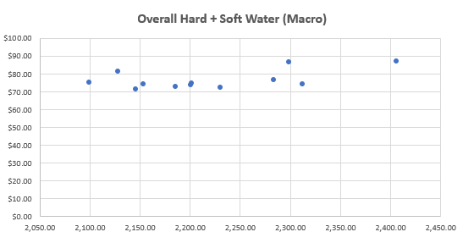
Avg. Water Market Balancing Price (WMBP) for Hard and Soft water in 2014-2015.
Avg. Water Market Balancing Price (WMBP) for Hard water in 2014-2015.
Avg. Water Market Balancing Price (WMBP) for Soft water in 2014-2015.
Average Water Market Balancing Price (WMBP) $/ML
Average quantity water produce

However, simply eyeing the data isn't sufficient. It's important we also take into account a quantitative lens. Whenever we see a visual trend, we can try and ascertain this by asking ourselves; what theorems would help disprove this?
In this case, we're aware of a particular economic construct known as the Elasticity of Demand Coefficient (EoD).
Now the EoD enables us to calculate elasticity and determine that if it is greater than 1, it is elastic, and if it is, less than 1, it is inelastic. This is much more absolute than simply eyeballing the data.
Let's close out our Economic Market Analysis by calculating the EoD coefficient for each water product and determining the overall elasticity for each month, before averaging for the year.

 |  |  |  |  |  | Let's review the example we've demonstrated on the left.
 |  |  |  |  |  | We'll demonstrate with an example here.
 |  |  |  |  |  | We have two months worth of pricing and quantity data we need to analyze to determine February's Elasticity Of Demand Coefficient.
 |  |  |  |  |  |  | January | February
 |  |  |  |  |  | Price | $74 | $86
 |  |  |  |  |  | Quantity | 80.00 | 100.00
 |  |  |  |  |  | Let's now calculate the respective changes.
 |  |  |  |  |  | Price % Change | (86 - 74) / 74 | 16%
 |  |  |  |  |  | Quantity % Change | (100 - 80 ) / 80 | 25%
 |  |  |  |  |  | Now let's perform the last part of our calculation: ABS ( Pct Change in Quantity / Pct Change in Price )
 |  |  |  |  |  | We have to use ABS, as we can't have negative elasticities.

 |  |  |  |  |  | EoD Coefficient |  | 1.54
 |  |  |  |  |  | As 1.54 is greater than one, we would say, between January and February, the elasticity for this product is elastic.
 |  |  |  |  |  | It's that simple! Now it's your turn!

Q3) Using the calculation methodology shown above, calculate the Elasticity of Demand Coefficient for each month. Upon completion of this, average out the monthly Elasticity of Demand Coefficient from February to December and identify whether the product is elastic or inelastic.
Note: Use the Monthly Values you've calculated in Q1 to help you out with the % Calculations! You might notice one product has very high elasticity values!
We've included an IF Statement for you that evaluates the Monthly Elasticity and helps classify this as "Elastic" or "Inelastic" based on the value returned.
Soft Water |  | Jan-14 | Feb-14 | Mar-14 | Apr-14 | May-14 | Jun-14 | Jul-14 | Aug-14 | Sep-14 | Oct-14 | Nov-14 | Dec-14
 | % Change in Qty |  | 3.352% | -9.962% | -1.452% | 1.281% | 2.549% | 1.079% | -1.016% | -2.662% | -1.768% | 4.441% | 3.926%
 | % Change in Price |  | 5.934% | -13.008% | 6.615% | -4.509% | 5.158% | 3.558% | -5.829% | -1.717% | -3.208% | 5.238% | 6.085%
 | EoD |  | 0.56 | 0.77 | 0.22 | 0.28 | 0.49 | 0.30 | 0.17 | 1.55 | 0.55 | 0.85 | 0.65
Soft Water | Elasticity Classification |  | Inelastic | Inelastic | Inelastic | Inelastic | Inelastic | Inelastic | Inelastic | Elastic | Inelastic | Inelastic | Inelastic
 | Average EoD (Year) | 0.58

Hard Water |  | Jan-14 | Feb-14 | Mar-14 | Apr-14 | May-14 | Jun-14 | Jul-14 | Aug-14 | Sep-14 | Oct-14 | Nov-14 | Dec-14
 | % Change in Qty |  | 6% | -13% | 7% | -5% | 5% | 4% | -6% | -2% | -3% | 5% | 6%
 | % Change in Price |  | 0.13% | -0.06% | -15.72% | 0.25% | -0.60% | -0.04% | 0.36% | -0.17% | -0.18% | 0.22% | 0.22%
 | EoD |  | 45.72 | 208.51 | 0.42 | 17.97 | 8.64 | 79.34 | 16.10 | 10.24 | 18.01 | 23.57 | 27.87
Hard Water | Elasticity Classification |  | Elastic | Elastic | Inelastic | Elastic | Elastic | Elastic | Elastic | Elastic | Elastic | Elastic | Elastic
 | Average EoD (Year) | 41.49

Hard & SOFT Water | Average temperature in the hospital (guardian dog incl.) | Jan-14 | Feb-14 | Mar-14 | Apr-14 | May-14 | Jun-14 | Jul-14 | Aug-14 | Sep-14 | Oct-14 | Nov-14 | Dec-14
 | % Change in Qty |  | 4.70% | 11.57% | 2.73% | 1.83% | 3.91% | 2.39% | 3.59% | 2.17% | 2.52% | 4.86% | 5.06%
 | % Change in Price |  | 0.51% | 6.14% | 10.96% | 1.81% | 1.26% | 6.16% | 2.18% | 1.16% | 1.39% | 1.85% | 0.92%
 | EoD |  | 9.27 | 1.88 | 0.25 | 1.01 | 3.11 | 0.39 | 1.65 | 1.88 | 1.82 | 2.62 | 5.51
Hard & SOFT Water | Elasticity Classification |  | Elastic | Elastic | Inelastic | Elastic | Elastic | Inelastic | Elastic | Elastic | Elastic | Elastic | Elastic
 | Average EoD (Year) | 2.67 | 0 | 0 | 1 | 0 | 0 | 0 | 0 | 1 | 0 | 0 | 0

Economic Cost Analysis
Economic Cost Analysis - Part II
In Economic Data Analysis, we seek to make use of as much data as possible to help us better understand and extract key business insights.
In the previous section, we've tackled the concepts of elastic and inelastic products. This helps us understand which products are more susceptible to price swings, and which ones are less susceptible.
Now a common phrase in economic data analysis is, "We need to compare things in an apples to apples like methodology". With Southern Water Corp, we have a bunch of economic and financial data. We're going to use the tools of Economic Data Analysis to create insights from this and identify which of our three desalination plants are most cost-effective.
Previously we've calculated the proportion of revenues that are generated, the expenses and the associated amount of water production. Using economics - we are now going to combine all this information together and create an economic metric to evaluate each plants performance to create our own 'apples-to-apples' comparison.

Let's get started!

For each of the three Southern Water Corp. Desalination Plants, we have an econometric measure called the Desalinated Plant Cost to Produce, or Cost to Produce for short.
The Cost to Produce ties together the different costs for each Plant and enables us to create a metric to evaluate how cost-effective the plant is.
Q4. Please calculate the Cost to Produce for each of the three (3) desalination plants below using the following formula per plant: Plant Cost to Produce = ( Chemical Costs + Facility Costs + Operational Maintenance Costs + Labour Costs ) / (Total Volume of Water Produced for the Month (GL) * 1,000) (To Convert to Mega-Litres from Giga Litres)
Note: If you have difficulty understanding how to calculate the Cost to Produce, it may be helpful to create a Value Driver Tree to showcase how all the drivers are connected.
Account Type | Unit | Value Driver | Cost Centre | Cost Centre Element |  | Jul-13 | Aug-13 | Sep-13 | Oct-13 | Nov-13 | Dec-13 | Jan-14 | Feb-14 | Mar-14 | Apr-14 | May-14 | Jun-14 | Total | check | result

Financial Actual | Kootha | Expenses | Chemical Costs | Chem-Exp (001) |  | $593,751.84 | $820,393.03 | $642,291.58 | $609,639.97 | $626,073.17 | $602,153.38 | $1,146,143.98 | $964,931.84 | $962,733.96 | $964,825.22 | $1,024,534.78 | $1,168,045.23 | $10,125,517.98 | $51,223,824.09 | hERasebe
Financial Actual | Kootha | Expenses | Facility Costs | Utility-Exp (002) - Heating |  | $276,807.38 | $382,467.61 | $299,436.64 | $284,214.44 | $291,875.60 | $280,724.19 | $534,332.86 | $449,851.67 | $448,827.02 | $449,801.97 | $477,638.59 | $544,543.23 | $4,720,521.20 | $51,223,824.09
Financial Actual | Kootha | Expenses | Facility Costs | Utility-Exp (002) - Electricity |  | $415,211.08 | $573,701.42 | $449,154.95 | $426,321.66 | $437,813.40 | $421,086.28 | $801,499.29 | $674,777.51 | $673,240.53 | $674,702.95 | $716,457.89 | $816,814.84 | $7,080,781.81
Financial Actual | Kootha | Expenses | Operational Maintenance Costs | Plant Maintenance (001) |  | $360,688.41 | $498,366.89 | $390,175.01 | $370,340.03 | $380,322.76 | $365,792.12 | $459,526.26 | $386,872.44 | $385,991.24 | $386,829.69 | $410,769.19 | $468,307.18 | $4,863,981.21
Financial Actual | Kootha | Expenses | Operational Maintenance Costs | Plant Outages (002) |  | $226,478.77 | $312,928.05 | $244,993.61 | $232,539.09 | $238,807.31 | $229,683.42 | $288,539.74 | $242,919.90 | $242,366.59 | $242,893.06 | $257,924.84 | $294,053.34 | $3,054,127.74
Financial Actual | Kootha | Expenses | Operational Maintenance Costs | Plant Op. Costs (003) |  | $255,837.13 | $353,492.80 | $276,752.04 | $262,683.04 | $269,763.82 | $259,457.20 | $325,943.04 | $274,409.52 | $273,784.48 | $274,379.20 | $291,359.54 | $332,171.37 | $3,450,033.18
Financial Actual | Kootha | Expenses | Operational Maintenance Costs | Plant Admin Costs (004) |  | $176,150.15 | $243,388.48 | $190,550.59 | $180,863.73 | $185,739.02 | $178,642.66 | $224,419.80 | $188,937.70 | $188,507.35 | $188,916.83 | $200,608.21 | $228,708.16 | $2,375,432.68
Financial Actual | Kootha | Expenses | Labour Costs | Labour-Costs (001) |  | $1,153,364.10 | $1,593,615.06 | $1,247,652.65 | $1,184,226.83 | $1,216,148.35 | $1,169,684.11 | $1,469,415.36 | $1,237,092.10 | $1,234,274.31 | $1,236,955.41 | $1,313,506.13 | $1,497,493.88 | $15,553,428.29
Water Production Actuals | Kootha |  |  |  |  | 181.93 | 187.44 | 184.77 | 191.54 | 98.10 | 185.31 | 186.90 | 158.59 | 191.40 | 171.06 | 169.29 | 142.51 | 2,048.84
 | Kootha |  |  | Desalination Cost to Produce ($/ML) |  |  |  |  |  |  |  |  |  |  |  |  |  | $25,001.37

Financial Actual | Surjek | Expenses | Chemical Costs | Chem-Exp (001) |  | $2,533,034.51 | $3,051,574.16 | $3,084,202.76 | $4,135,202.77 | $4,473,275.89 | $3,464,957.93 | $4,049,642.83 | $4,767,948.22 | $4,346,722.81 | $4,671,541.13 | $5,478,104.60 | $2,269,805.17 | $46,326,012.78 | $179,319,099.04 | hERasebe
Financial Actual | Surjek | Expenses | Facility Costs | Utility-Exp (002) - Heating |  | $1,266,517.26 | $1,525,787.08 | $1,542,101.38 | $2,067,601.38 | $2,236,637.95 | $1,732,478.96 | $2,024,821.41 | $2,383,974.11 | $2,173,361.40 | $2,335,770.56 | $2,739,052.30 | $1,134,902.58 | $23,163,006.39 | $179,319,099.04
Financial Actual | Surjek | Expenses | Facility Costs | Utility-Exp (002) - Electricity |  | $1,055,431.05 | $1,271,489.23 | $1,285,084.48 | $1,723,001.15 | $1,863,864.96 | $1,443,732.47 | $1,687,351.18 | $1,986,645.09 | $1,811,134.50 | $1,946,475.47 | $2,282,543.59 | $945,752.15 | $19,302,505.32
Financial Actual | Surjek | Expenses | Operational Maintenance Costs | Plant Maintenance (001) |  | $996,326.91 | $1,200,285.84 | $1,213,119.75 | $1,626,513.09 | $1,759,488.52 | $1,362,883.45 | $1,592,859.51 | $1,875,392.97 | $1,709,710.97 | $1,837,472.84 | $2,154,721.14 | $892,790.03 | $18,221,565.02
Financial Actual | Surjek | Expenses | Operational Maintenance Costs | Plant Outages (002) |  | $869,931.04 | $1,048,015.37 | $1,059,221.15 | $1,420,170.65 | $1,536,276.57 | $785,390.46 | $734,335.23 | $864,587.94 | $788,205.74 | $847,106.12 | $993,362.97 | $514,489.17 | $11,461,092.42
Financial Actual | Surjek | Expenses | Operational Maintenance Costs | Plant Op. Costs (003) |  | $921,103.46 | $1,109,663.33 | $1,121,528.28 | $1,503,710.10 | $1,626,645.78 | $831,589.90 | $777,531.42 | $915,446.06 | $834,570.78 | $896,935.90 | $1,051,796.08 | $544,753.24 | $12,135,274.33
Financial Actual | Surjek | Expenses | Operational Maintenance Costs | Plant Admin Costs (004) |  | $498,931.04 | $601,067.64 | $607,494.48 | $814,509.64 | $881,099.80 | $450,444.53 | $421,162.85 | $495,866.62 | $452,059.17 | $485,840.28 | $569,722.88 | $295,074.67 | $6,573,273.59
Financial Actual | Surjek | Expenses | Labour Costs | Labour-Costs (001) |  | $3,198,275.90 | $3,852,997.68 | $3,894,195.40 | $5,221,215.61 | $5,648,075.62 | $2,887,464.94 | $2,699,761.88 | $3,178,632.15 | $2,897,815.21 | $3,114,360.75 | $3,652,069.74 | $1,891,504.31 | $42,136,369.19
Water Production Actuals | Surjek |  |  |  |  | 214.97 | 228.20 | 216.54 | 236.76 | 232.05 | 240.21 | 288.16 | 306.88 | 367.65 | 351.99 | 362.82 | 260.31 | 3,306.55
 |  |  |  | Desalination Cost to Produce ($/ML) |  |  |  |  |  |  |  |  |  |  |  |  |  | $54,231.51

Financial Actual | Jutik | Expenses | Chemical Costs | Chem-Exp (001) |  | $1,625,596.34 | $1,295,067.85 | $1,750,624.88 | $1,472,529.39 | $1,252,200.49 | $1,406,782.67 | $1,877,449.50 | $1,912,219.18 | $2,266,625.20 | $2,234,200.57 | $2,593,715.64 | $2,274,807.79 | $21,961,819.50 | $90,723,489.28 | hERasebe
Financial Actual | Jutik | Expenses | Facility Costs | Utility-Exp (002) - Heating |  | $895,736.76 | $713,608.81 | $964,630.04 | $811,393.74 | $689,988.03 | $775,165.96 | $1,034,512.99 | $888,365.67 | $1,248,956.74 | $680,069.70 | $878,169.84 | $1,253,465.51 | $10,834,063.81 | $90,723,489.28
Financial Actual | Jutik | Expenses | Facility Costs | Utility-Exp (002) - Electricity |  | $829,385.89 | $660,748.90 | $893,175.96 | $751,290.50 | $638,877.80 | $717,746.26 | $957,882.40 | $822,560.80 | $1,156,441.43 | $629,694.17 | $813,120.23 | $1,160,616.22 | $10,031,540.56
Financial Actual | Jutik | Expenses | Operational Maintenance Costs | Plant Maintenance (001) |  | $716,589.41 | $570,887.05 | $771,704.03 | $649,115.00 | $551,990.42 | $620,132.77 | $827,610.39 | $710,692.53 | $999,165.39 | $544,055.76 | $702,535.88 | $1,002,772.41 | $8,667,251.04
Financial Actual | Jutik | Expenses | Operational Maintenance Costs | Plant Outages (002) |  | $251,329.06 | $200,226.94 | $270,659.38 | $227,663.79 | $193,599.33 | $143,549.25 | $153,261.18 | $131,609.73 | $185,030.63 | $100,751.07 | $130,099.24 | $232,123.24 | $2,219,902.84
Financial Actual | Jutik | Expenses | Operational Maintenance Costs | Plant Op. Costs (003) |  | $623,296.06 | $496,562.81 | $671,235.27 | $564,606.20 | $480,126.35 | $356,002.15 | $380,087.74 | $326,392.13 | $458,875.96 | $249,862.65 | $322,646.11 | $575,665.64 | $5,505,359.05
Financial Actual | Jutik | Expenses | Operational Maintenance Costs | Plant Admin Costs (004) |  | $211,116.41 | $168,190.63 | $227,353.88 | $191,237.58 | $162,623.44 | $120,581.37 | $128,739.39 | $110,552.17 | $155,425.73 | $84,630.90 | $109,283.36 | $194,983.52 | $1,864,718.39
Financial Actual | Jutik | Expenses | Labour Costs | Labour-Costs (001) |  | $3,015,948.67 | $2,402,723.28 | $3,247,912.58 | $2,731,965.47 | $2,323,192.01 | $1,722,591.03 | $1,839,134.21 | $2,579,316.74 | $2,220,367.54 | $2,209,012.81 | $2,561,190.83 | $2,785,478.92 | $29,638,834.10
Water Production Actuals | Jutik |  |  |  |  | 250.24 | 206.74 | 201.24 | 174.37 | 204.09 | 146.36 | 204.20 | 217.43 | 230.98 | 236.44 | 241.41 | 220.38 | 2,533.88
 |  |  |  | Desalination Cost to Produce ($/ML) |  |  |  |  |  |  |  |  |  |  |  |  |  | $35,804.19
Place your answer here

You've now calculated the Desalinated Cost to Produce for each of the three desalination plants (Kootha, Surjek and Jutik). This has given you a micro view of the trends, but let's take a look at the macro view of the situation and look at how the aggregated cost to produce (Kootha + Surjek + Jutik) look.
Q5. Aggregate the Cost Centre(s) for each Plant (i.e.Chemical Costs, Facility Costs, Operational Maintenance Costs, Labour Costs) in the table below. Subsequently, in one chart, plot out the Overall Cost to Produce, as well as the Cost to Produce for Kootha, Surjek and Jutik for comparison. What trends do you note when looking at the data in this way?

Account Type | Unit | Value Driver | Cost Centre | Cost Centre Element |  | Jul-13 | Aug-13 | Sep-13 | Oct-13 | Nov-13 | Dec-13 | Jan-14 | Feb-14 | Mar-14 | Apr-14 | May-14 | Jun-14
 |  |  |  |  |  |  |  |  |  |  |  |  |  |  |  |  |  | Total
Financial Actual | All | Expenses | Chemical Costs | Chem-Exp (001) |  | $4,752,382.69 | $5,167,035.04 | $5,477,119.22 | $6,217,372.13 | $6,351,549.56 | $5,473,893.98 | $7,073,236.32 | $7,645,099.23 | $7,576,081.96 | $7,870,566.92 | $9,096,355.03 | $5,712,658.18 | $78,413,350.26 | $321,266,412.41 | hERasebe
Financial Actual | All | Expenses | Facility Costs | Utility-Exp (002) - Heating |  | $2,439,061.40 | $2,621,863.51 | $2,806,168.05 | $3,163,209.57 | $3,218,501.58 | $2,788,369.11 | $3,593,667.27 | $3,722,191.45 | $3,871,145.17 | $3,465,642.23 | $4,094,860.74 | $2,932,911.33 | $38,717,591.40 | $321,266,412.41
Financial Actual | All | Expenses | Facility Costs | Utility-Exp (002) - Electricity |  | $2,300,028.01 | $2,505,939.56 | $2,627,415.40 | $2,900,613.32 | $2,940,556.16 | $2,582,565.01 | $3,446,732.87 | $3,483,983.40 | $3,640,816.46 | $3,250,872.59 | $3,812,121.70 | $2,923,183.21 | $36,414,827.69
Financial Actual | All | Expenses | Operational Maintenance Costs | Plant Maintenance (001) |  | $2,073,604.72 | $2,269,539.78 | $2,374,998.79 | $2,645,968.11 | $2,691,801.70 | $2,348,808.34 | $2,879,996.17 | $2,972,957.94 | $3,094,867.60 | $2,768,358.30 | $3,268,026.21 | $2,363,869.62 | $31,752,797.28
Financial Actual | All | Expenses | Operational Maintenance Costs | Plant Outages (002) |  | $1,347,738.87 | $1,561,170.36 | $1,574,874.14 | $1,880,373.52 | $1,968,683.22 | $1,158,623.14 | $1,176,136.16 | $1,239,117.58 | $1,215,602.96 | $1,190,750.25 | $1,381,387.04 | $1,040,665.76 | $16,735,123.00
Financial Actual | All | Expenses | Operational Maintenance Costs | Plant Op. Costs (003) |  | $1,800,236.65 | $1,959,718.94 | $2,069,515.58 | $2,330,999.34 | $2,376,535.94 | $1,447,049.25 | $1,483,562.20 | $1,516,247.71 | $1,567,231.22 | $1,421,177.74 | $1,665,801.73 | $1,452,590.25 | $21,090,666.56
Financial Actual | All | Expenses | Operational Maintenance Costs | Plant Admin Costs (004) |  | $886,197.60 | $1,012,646.75 | $1,025,398.95 | $1,186,610.95 | $1,229,462.26 | $749,668.57 | $774,322.05 | $795,356.49 | $795,992.25 | $759,388.00 | $879,614.45 | $718,766.35 | $10,813,424.66
Financial Actual | All | Expenses | Labour Costs | Labour-Costs (001) |  | $7,367,588.68 | $7,849,336.02 | $8,389,760.63 | $9,137,407.91 | $9,187,415.98 | $5,779,740.07 | $6,008,311.46 | $6,995,040.99 | $6,352,457.05 | $6,560,328.97 | $7,526,766.70 | $6,174,477.11 | $87,328,631.57
Water Production Actuals | All |  |  |  |  | 647.14 | 622.38 | 602.55 | 602.67 | 534.24 | 571.87 | 679.26 | 682.90 | 790.04 | 759.49 | 773.52 | 623.20 | 7,889.27
 |  |  |  | Desalination Cost to Produce ($/ML) |  |  |  |  |  |  |  |  |  |  |  |  |  | $40,721.96
Monthly costs three factory and average costs of water production
 |  |  |  |  | Aggregate cost ATH vs three factories | Jul-13 | Aug-13 | Sep-13 | Oct-13 | Nov-13 | Dec-13 | Jan-14 | Feb-14 | Mar-14 | Apr-14 | May-14 | Jun-14
 |  |  |  |  | Kootha | $19.01 | $25.49 | $20.25 | $18.54 | $37.17 | $18.93 | $28.09 | $27.87 | $23.04 | $25.84 | $27.72 | $32.61 | $25.38
 |  |  |  |  | Surjek | $52.75 | $59.86 | $63.76 | $78.19 | $86.30 | $53.95 | $48.54 | $53.66 | $40.84 | $45.84 | $52.15 | $32.61 | $55.70
 |  |  |  |  | Jutik | $32.64 | $31.48 | $43.72 | $42.44 | $30.83 | $40.06 | $35.25 | $34.41 | $37.63 | $28.47 | $33.60 | $43.02 | $36.13
 |  |  |  |  | ATH | $35.49 | $40.08 | $43.72 | $48.89 | $56.09 | $39.04 | $38.92 | $41.54 | $35.59 | $35.93 | $41.01 | $37.42 | $41.14 | overage value in rows
 |  |  |  |  |  |  |  |  |  |  |  |  |  |  |  |  |  | $39.07 | overage value in columns

In Economics, we care about our overall Cost to Produce Desalinated Water as it gives us an indication of how cost-effective our plants are. It's important in our Economic Data Analysis to also interpret this price point with respect to the volume of water that is produced. This touches upon a concept known as economies of scale. Essentially, the more water we produce - the cheaper we should see our production costs. On the other hand, the less water we produce, the more our Cost to Produce will increase on scaled basis.
Q6. Using the Monthly Cost to Produce you've calculated for each Plant (Kootha, Surjek and Jutik), create a scatter-plot which shows the Cost to Produce (Y-Axis) against the Total Volume of Water produced(X-Axis). You will end up with three Scatter Plots that will let you see whether a relationship exists between Cost to Produce and the Volume of Water produced. Does there appear to be a relationship between Cost to Produce and Volume of Water Produced? If yes, why do you believe this is the case? If no, why do you believe this is the case?
Kootha Scatter Plot (Cost to Produce vs. Volume of Water Produced)
Kootha
Surjek Scatter Plot (Cost to Produce vs. Volume of Water Produced)
Surjec
Jutik Scatter Plot (Cost to Produce vs. Volume of Water Produced)
Jutik

We've now analysed our Cost to Produce and we can clearly see the following trends emerge: A) There are differences in cost effectiveness between desalination units which are largely influenced by the costs and the volume of water produced B) We can pick up a relationship between the Cost to Produce and Quantity of Water being produced. This brings us to our last questions for the Economic Cost Analysis. How does our Cost of Production compare to the Market Price at which water is being sold? In other words, if our production costs are HIGHER than the price at which we can sell our water - we won't be making any real profit...!
Now we'll close off the Economic Cost Analysis with an understanding of comparing the Market Price against the Cost to Produce ($/ML) of our desalination units. Q7. Completing the table below, create a clustered column chart showing the Overall Desalination Cost to Produce $/ML versus Overall Average WBMP Market Price.
Note: We've included an example of how the chart might look once you've completed this!
Unit | Overall Desalination Cost to Produce ($/ML) | Overall Average WBMP Market Price | Overall Cost of Disalination
Kootha | $25.38 | $76.58 | $41.14
Surjek | $55.70 | $76.58 | $41.14
Jutik | $36.13 | $76.58 | $41.14
Overall Average | $41.14 | $76.58
Cost to Produce vs WBMP Market Price
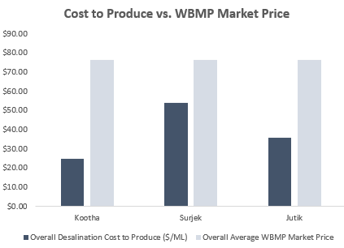

Cost to Produce
Overall Desalination Cost to Produce vs Cost to produce each factory ($/ML) .

What-If Analysis
What IF Analysis - Part III.
In the previous sections, we've examined the Elasticies and Inelasticies of Products. We've also gone ahead with calculating our first economic metric, Cost to Produce per Desalination Unit.
We're now at the final stage of this economic case study!
Economic Data Analysis, as you know by now, is focused on understanding the drivers which impact supply and demand and translating these into actionable business insights. It is also used for better understanding when certain decisions should be made (e.g. Should we look at selling this product now or in a few months time for improved earnings?)
Now we're aware that Southern Water Corp. has been considering to perform a major maintenance activity for one of its major desalination plants, Surjek. The business hypothesis is that it is best for us to perform the maintenance for Surjek in the first quarter of the year going forward (January-15 to March-15).
However, we don't have data going all the way to January-15 to March-15. What we do have however, is data from July 2013 - June 2014. We also have pricing data from January 2014 - December 2014.
We can't use what we don't have - so let's use what we do have. In other words, we'll be making use of the data in the Water Trading Repository Tables to forecast what the demand profile may look like for the future.
This means when we reference Jan-15, we'll instead use Jan-14's data as a placeholder. For Feb-15, we do the same and use Feb-14 etc.
Let's get started!

Q8. Complete the table below with the Average Monthly Water Balancing Market Price (WBMP) and Average Market Water Demand using data from the Water Trading Repository Table. Create one LINE chart trending the Average Water Balancing Price from Jul-14 to Jun-15. Create one COLUMN chart showing the Average Water Market Demand from Jul-14 to Jun-15. Compare these side-by-side. What do you observe? Note: Consider using the AVERAGEIFS function to help you address this question if you're stuck! https://support.microsoft.com/en-us/office/averageifs-function-48910c45-1fc0-4389-a028-f7c5c3001690
Hint: Use the Water Trading Repository Table Data as your data source. Even though the date/time doesn't align, we can use the information as a proxy for the 2014/2015 data. It may also help to graph out the data and see if any trends become particularly obvious...!
Source |  |  |  | Jul-14 | Aug-14 | Sep-14 | Oct-14 | Nov-14 | Dec-14 | Jan-15 | Feb-15 | Mar-15 | Apr-15 | May-15 | Jun-15 | Total |  | Aug-15 | Sep-15 | Oct-15 | Nov-15 | Dec-15 | Jan-16 | Feb-16 | Mar-16 | Apr-16 | May-16
Water Trading Repository Table | Average Water Balancing Market Price |  | Average Water Balancing Market Price | $76.60 | $74.93 | $74.07 | $75.09 | $73.70 | $74.38 | $86.39 | $86.83 | $81.50 | $72.57 | $71.26 | $72.16 |  | $74.65 | 74.93 | 74.65 | 75.09 | 74.65 | 74.65 | 75.09 | 74.65 | 81.50 | 74.65 | 74.65
Water Trading Repository Table | Market Water Demand (Mega-Litres) |  | Market Water Demand (Mega-Litres) | 2,283.05 | 2,201.06 | 2,153.34 | 2,098.99 | 2,200.93 | 2,312.20 | 2,298.19 | 2,406.09 | 2,127.81 | 2,185.80 | 2,145.78 | 2,229.75 |  | 2200.99 | 74.93 | 74.07 | 75.09 | 73.70 | 74.38 | 75.09 | 74.38 | 81.50 | 72.57 | 71.26

Average Water Balancing Price [July-June]
Average Water Market Demand
Linear what-if analys 2016 usind median value
Aug-15 | 74.93
Sep-15 | 74.65
Oct-15 | 75.09
Nov-15 | 74.65
Dec-15 | 74.65
Jan-16 | 75.09
Feb-16 | 74.65
Mar-16 | 81.50
Aug-15 | 74.93
Sep-15 | 74.65
Oct-15 | 75.09
Nov-15 | 74.65
Dec-15 | 74.65
Jan-16 | 75.09
Feb-16 | 74.65
Mar-16 | 81.50
Apr-16 | 74.65
May-16 | 74.65
Linear what-if analys 2015-2016 usind median value
 |  | Average Water Balancing Market Price | Market Water Demand (Mega-Litres)
Jul-14 |  | $76.60 | 2,283.05
Aug-14 |  | $74.93 | 2,201.06
Sep-14 |  | $74.07 | 2,153.34
Oct-14 |  | $75.09 | 2,098.99
Nov-14 |  | $73.70 | 2,200.93
Dec-14 |  | $74.38 | 2,312.20
Jan-15 |  | $86.39 | 2,298.19
Feb-15 |  | $86.83 | 2,406.09
Mar-15 |  | $81.50 | 2,127.81
Apr-15 |  | $72.57 | 2,185.80
May-15 |  | $71.26 | 2,145.78
Jun-15 |  | $72.16 | 2,229.75

Place your answer here |  | Dec,Jan,Feb have max price and produce (revenue)

We've identified a particular trend in our earlier analysis; It seems that one of the quarters tends to have the highest prices. As we perform our what-if analysis it's important we can clearly identify the quarter we should recommend to perform our major maintenance. Let's calculate this below and land on a quarter we can propose to focus our analysis on. Q9. Complete the table below identifying which quarter has the highest/lowest prices with the respective Average Quarterly Water Volumes. What do you notice? Note: Reference the Water Trading Repository Table for your calculations.
As you'll be calculating the Quarterly Averages, this will require you to use an AVERAGEIFS statement combined with logical and numerical operators.
For example = AVERAGEIFS(Monthly_Price, Month_Range, ">="&1, Month_Range, "<="&3). This says, give me the Average Price for the periods between January (1) and March (3).
Quarter |  | Average Quarterly Price Per Trading Period | Average Quarterly Water Demand Per Trading Period
Quarter 1 (January - March) |  | 2273.07 | $84.84
Quarter 2 (April to June) |  | 2186.66 | $71.99
Quarter 3 (July to September) |  | 2213.13 | $75.21
Quarter 4 (October to December) |  | 2204.07 | $74.40

Place your answer here | Quarter 1 has max price and water consuption, Quarter 2 has min price and water consumption

We've now completed the first part of our What-If Analysis. We've identified that the best period for us to perform a maintenance event is during a specific quarter. We now need to finalize our recommendation by showing the What-If Impact of our analysis. In Other words, if we were to perform this Maintenance Outage for Quarter 1, Quarter 2, Quarter Three and Quarter Four - what impact would this have on our revenues?

Revenue Kootha, Surjek and Jutik in quarters 2104
Q10. Fill out the table(s) below explaining why the Quarter you are proposing is the best option for Southern Water Corp. when considering the impact on Revenues. We recommend accompanying the table with an appropriate visual to help highlight the point you are trying to make. Note: Recall that for the Quarter you are recommending for a maintenance outage, the revenues for that entire quarter for Surjek will be 0. Remember, if we are producing no water - we can't earn revenues.
 |  |  |  | Q3 | Q3 | Q3 | Q4 | Q4 | Q4 | Q1 | Q1 | Q1 | Q2 | Q2 | Q2
Account Type | Unit | Value Driver |  | Jul-13 | Aug-13 | Sep-13 | Oct-13 | Nov-13 | Dec-13 | Jan-14 | Feb-14 | Mar-14 | Apr-14 | May-14 | Jun-14 | Total |  |  | Q1 | Q2 | Q3 | Q4
Financial Actual | Kootha | Revenues |  | $16,871,927.27 |  |  | $16,116,994.86 |  |  | $22,044,713.74 |  |  | $15,911,321.42 |  |  | $70,944,957.30 | $436,865,531.84 |  | $22,044,713.74 | $15,911,321.42 | $16,871,927.27 | $16,116,994.86
Financial Actual | Surjek | Revenues |  | $48,068,265.53 |  |  | $44,547,493.70 |  |  | $60,579,689.13 |  |  | $49,059,900.81 |  |  | $202,255,349.17 | $436,865,531.84 |  | $60,579,689.13 | $49,059,900.81 | $48,068,265.53 | $44,547,493.70
Financial Actual | Jutik | Revenues |  | $39,002,563.59 |  |  | $34,824,618.52 |  |  | $45,419,724.27 |  |  | $44,418,318.99 |  |  | $163,665,225.38 |  |  | $45,419,724.27 | $44,418,318.99 | $39,002,563.59 | $34,824,618.52
 |  |  |  | $103,942,756.39 |  |  | $95,489,107.09 |  |  | $128,044,127.14 |  |  | $109,389,541.23
Account Type | Unit | Value Driver |  | Jul-13 | Aug-13 | Sep-13 | Oct-13 | Nov-13 | Dec-13 | Jan-14 | Feb-14 | Mar-14 | Apr-14 | May-14 | Jun-14 | Total
Financial Actual | Kootha | Revenues |  | $5,914,581.20 | $5,696,664.24 | $5,260,681.83 | $5,221,955.49 | $5,514,147.17 | $5,380,892.20 | $7,822,599.72 | $6,924,324.63 | $7,297,789.39 | $5,332,240.42 | $5,394,917.14 | $5,184,163.87 | $70,944,957.30 | $436,865,531.84
Financial Actual | Surjek | Revenues |  | $17,328,050.97 | $14,604,314.44 | $16,135,900.12 | $15,151,633.27 | $13,832,900.80 | $15,562,959.62 | $22,354,057.62 | $18,580,950.73 | $19,644,680.78 | $18,268,435.05 | $14,627,298.49 | $16,164,167.27 | $202,255,349.17 | $436,865,531.84
Financial Actual | Jutik | Revenues |  | $12,716,846.79 | $13,050,243.88 | $13,235,472.92 | $11,815,762.27 | $11,881,724.45 | $11,127,131.81 | $15,491,089.40 | $15,776,843.23 | $14,151,791.64 | $15,011,361.79 | $14,286,635.35 | $15,120,321.85 | $163,665,225.38

Fill this table out with Surjek's Sales Revenue from Jul-13 to Jun-14. However, when evaluating Q1, Q2, Q3 or Q4 is best, note that if you choose Q1, you'll need to put down a 0 in the values from January to March. This is because we're saying the unit will be offline then and not producing any water. This means at any point in our simulation for Q1 to Q4, we will only have 9 Month's worth of revenue-producing months, as the other 3 are offline due to outages. Please repeat this from Q2 to Q4.
Now If we perform the Maintenance Outage for Surjek in Q1, Q2, Q3 or Q4 our Revenues will be…
Account Type | Unit | Value Driver | Quarter | Jul-13 | Aug-13 | Sep-13 | Oct-13 | Nov-13 | Dec-13 | Jan-14 | Feb-14 | Mar-14 | Apr-14 | May-14 | Jun-14 | Total | % Revenue Reduction
Financial Actual | Surjek | Revenues | Q1 | $0.00 | $0.00 | $0.00 | $0.00 | $0.00 | $0.00 | $22,354,057.62 | $18,580,950.73 | $19,644,680.78 | $0.00 | $0.00 | $0.00 | $60,579,689.13 |  |  | 1 | 3 | Q1
Financial Actual | Surjek | Revenues | Q2 | $0.00 | $0.00 | $0.00 | $0.00 | $0.00 | $0.00 | $0.00 | $0.00 | $0.00 | $18,268,435.05 | $14,627,298.49 | $16,164,167.27 | $49,059,900.81 |  |  | 4 | 6 | Q2
Financial Actual | Surjek | Revenues | Q3 | $17,328,050.97 | $14,604,314.44 | $16,135,900.12 | $0.00 | $0.00 | $0.00 | $0.00 | $0.00 | $0.00 | $0.00 | $0.00 | $0.00 | $48,068,265.53 |  |  | 7 | 9
Financial Actual | Surjek | Revenues | Q4 | $0.00 | $0.00 | $0.00 | $15,151,633.27 | $13,832,900.80 | $15,562,959.62 | $0.00 | $0.00 | $0.00 | $0.00 | $0.00 | $0.00 | $44,547,493.70 |  |  | 10 | 12

Account Type | Unit | Value Driver | Quarter | Jul-13 | Aug-13 | Sep-13 | Oct-13 | Nov-13 | Dec-13 | Jan-14 | Feb-14 | Mar-14 | Apr-14 | May-14 | Jun-14 | Total | % Revenue Reduction
Financial Actual | Surjek | Revenues | Q1 | $17,328,050.97 | $14,604,314.44 | $16,135,900.12 | $15,151,633.27 | $13,832,900.80 | $15,562,959.62 | $0.00 | $0.00 | $0.00 | $18,268,435.05 | $14,627,298.49 | $16,164,167.27 | $141,675,660.04 | 13.87% |  | $202,255,349.17
Financial Actual | Surjek | Revenues | Q2 | $17,328,050.97 | $14,604,314.44 | $16,135,900.12 | $15,151,633.27 | $13,832,900.80 | $15,562,959.62 | $22,354,057.62 | $18,580,950.73 | $19,644,680.78 | $0.00 | $0.00 | $0.00 | $153,195,448.36 | 11.23% |  | $202,255,349.17
Financial Actual | Surjek | Revenues | Q3 | $0.00 | $0.00 | $0.00 | $15,151,633.27 | $13,832,900.80 | $15,562,959.62 | $22,354,057.62 | $18,580,950.73 | $19,644,680.78 | $18,268,435.05 | $14,627,298.49 | $16,164,167.27 | $154,187,083.64 | 11.00% |  | $202,255,349.17
Financial Actual | Surjek | Revenues | Q4 | $17,328,050.97 | $14,604,314.44 | $16,135,900.12 | $0.00 | $0.00 | $0.00 | $22,354,057.62 | $18,580,950.73 | $19,644,680.78 | $18,268,435.05 | $14,627,298.49 | $16,164,167.27 | $157,707,855.47 | 10.20% |  | $202,255,349.17

Note: We've included an additional hint below which shows what your graphic might look like upon completion (With the exception being we have removed the axes for you). It might also be helpful for you to calculate the 'Revenue % Reduction' to see how much less revenue you might receive if you perform the outage in a particular quarter.

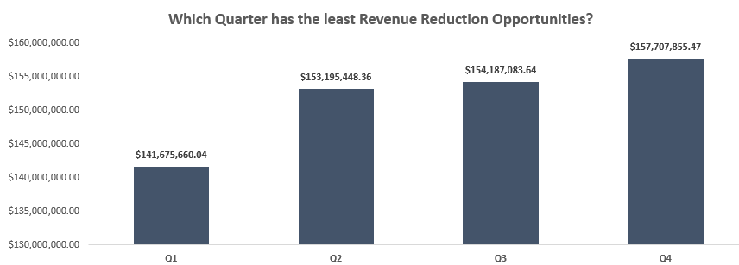
Which Qurter has least Revenue reduction opportunities??

Place your answer here | Quarter with number 4 is most reasonable to close

Well done! You've now completed the Economics Case Study Analysis! Let's top this off now by creating an insightful story we can present back to Southern Water Corps. Management using the templates provided.

Account Type | Unit | Value Driver | Quarter | Jul-13 | Aug-13 | Sep-13 | Oct-13 | Nov-13 | Dec-13 | Jan-14 | Feb-14 | Mar-14 | Apr-14 | May-14 | Jun-14 | Total | % Revenue Reduction
Financial Actual | all | Revenues | Q1
Financial Actual | Surjek | Revenues | Q2
Financial Actual | Surjek | Revenues | Q3
Financial Actual | Surjek | Revenues | Q4

